TB ZM3000012101
Notional | 10,929,152.00
Payment Amount | 995,600.00
Interest Rate | 115%
Default Probability (one period) | 1%
LGD | 40%
Maturity Date | 2025-09-05
Issue Date | 2024-09-06
Valuation Date | 2024-12-31
ISIN | ZM3000012101
Tenor | 8

EXPECTED AMOUNT APPROACH

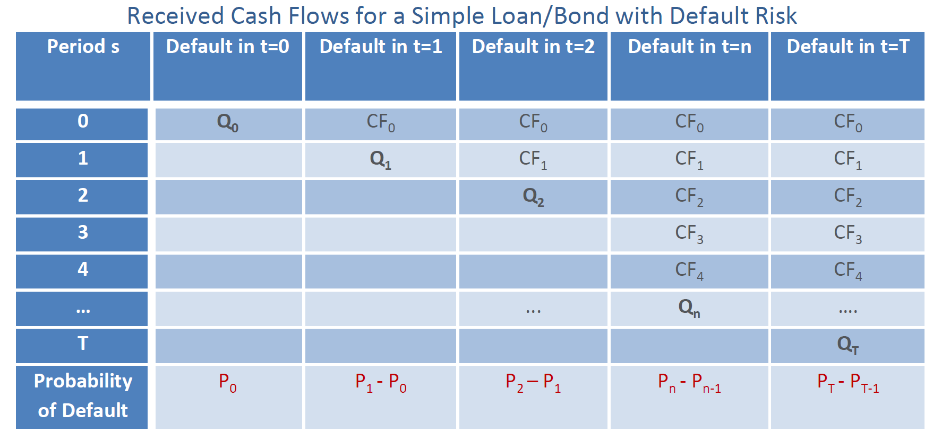
Period t | Default Probabilities | Interval Default Probability | Survival Probability | Interval Survival Probability | Scenaio Probabilities | Interest Payment | Amortization Schedule | Principal Outstanding | Cashflows | Cashflow at Maturity | Interest Rate Yield Curve | Discount Factor | Discounted Contratual Cashflows | Discounted Expected Cashflows
1 | 1.0% | 1.0% | 99.0% | 99.0% | 0.98% | 995,600 | 0.0 | 10,929,152.00 | 11,924,752 | 11,924,752.00 | 115% | 0.47 | 5,546,396 | 3,327,838
1 |  |  |  |  | 99.02% | 995,600 | 0.0 | 10,929,152.00 | 11,924,752 | 11,924,752.00 | 115% | 0.47 | 0 | 5,546,396
PV |  |  |  |  | 100.0% |  |  |  |  |  |  |  | 5,546,396 | 5,524,699

 |  |  |  |  |  |  |  |  |  |  |  |  | ECL | 21,697.502

LOSS AMOUNT APPROACH

Period t | Default Probabilities | Interval Default Probability | Survival Probability | Interval Survival Probability | Scenaio Probabilities | Interest Payment | Amortization Schedule | Principal Outstanding | Cashflows | Cashflow at Maturity | Interest Rate Yield Curve | Discount Factor | Discounted Contratual Cashflows | Discounted Loss Given Default
1 | 1.0% | 1.0% | 99.0% | 99.0% | 0.9780% | 995,600.0 | 0.0 | 10,929,152.00 | 11,924,752 | 11,924,752 | 115.0% | 0.47 | 5,546,396.28 | 2,218,558.51
 |  |  |  |  | 1.0% |  |  |  |  |  |  |  | ECL | 21,697.50

